Sheet1
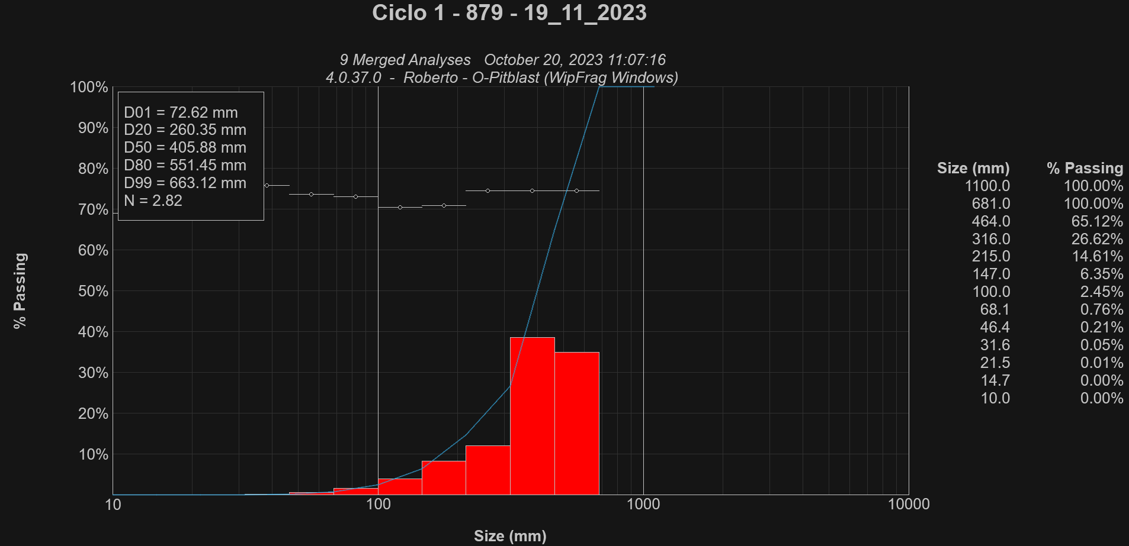
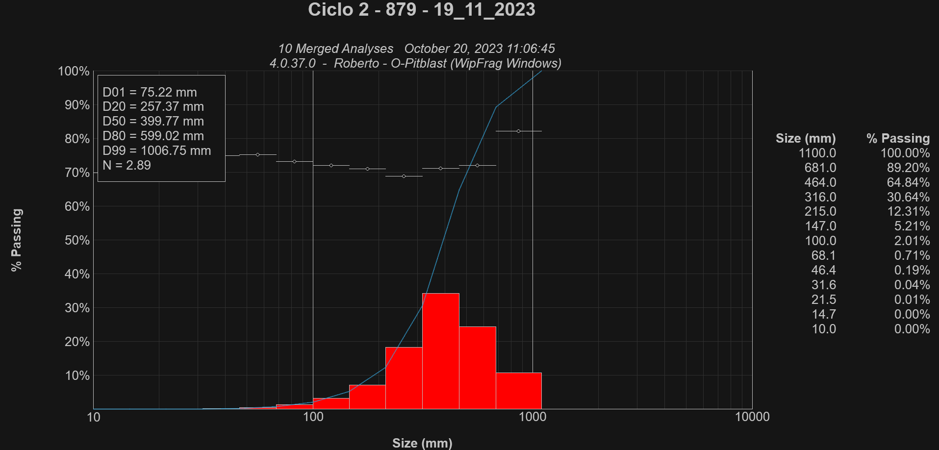
 |  | Ciclo 1 |  |  |  |  |  |  | Ciclo 2
 |  | Time | kWh | Difference |  |  |  |  | Time | kWh | Difference
 |  | 16:13:00 | 1619.5 kWh |  |  |  |  |  | 16:51:00 | 1672.3 kWh
 |  | 16:18:00 | 1626.6 kWh | 7.1 kWh |  |  |  |  | 16:52:00 | 1672.7 kWh | 0.4 kWh
 |  | 16:23:00 | 1634.5 kWh | 7.9 kWh |  |  |  |  | 16:53:00 | 1674.0 kWh | 1.3 kWh
 |  | 16:28:00 | 1641.7 kWh | 7.2 kWh |  |  |  |  | 16:54:00 | 1675.5 kWh | 1.5 kWh
 |  | 16:33:00 | 1649.0 kWh | 7.3 kWh |  |  |  |  | 16:55:00 | 1677.0 kWh | 1.5 kWh
 |  | 16:38:00 | 1655.1 kWh | 6.1 kWh |  |  |  |  | 16:56:00 | 1678.6 kWh | 1.6 kWh
 |  | 16:43:00 | 1662.4 kWh | 7.3 kWh |  |  |  |  | 16:57:00 | 1679.7 kWh | 1.1 kWh
 | Time | 0:30:00 |  |  |  |  |  |  | 16:58:00 | 1681.1 kWh | 1.4 kWh
 |  |  | Average | 7.2 kWh |  |  |  | Time | 0:06:00 | Average | 1.3 kWh
 |  |  | Sum | 42.9 kWh | 30 minutes |  |  |  |  | Sum | 8.8 kWh | 5 Minutes
 |  |  | Total | 85.8 kWh | 1 hour |  |  |  |  | Total | 88.0 kWh | 1 hour

# | Truck | Time | x20 | x50 | x80 | x99 | n | # | Truck | Time | x20 | x50 | x80 | x99 | n
1 | 879 | 16:38:00 | 290 mm | 406 mm | 493 mm | 539 mm | 3.01 | 1 | 879 | 16:51:00 | 384 mm | 746 mm | 1018 mm | 1039 mm | 2.26
2 | 879 | 16:39:00 | 254 mm | 381 mm | 482 mm | 565 mm | 3.15 | 2 | 879 | 16:52:00 | 245 mm | 375 mm | 501 mm | 579 mm | 2.99
3 | 879 | 16:39:00 | 329 mm | 482 mm | 594 mm | 665 mm | 2.86 | 3 | 879 | 16:53:00 | 286 mm | 442 mm | 548 mm | 610 mm | 2.99 | n | 2.82 | 2.89
4 | 879 | 16:40:00 | 290 mm | 441 mm | 509 mm | 544 mm | 2.8 | 4 | 879 | 16:53:00 | 265 mm | 508 mm | 682 mm | 704 mm | 2.61 | digTime | 23.8375 | 25.2059
5 | 879 | 16:41:00 | 262 mm | 436 mm | 567 mm | 647 mm | 2.89 | 5 | 879 | 16:54:00 | 217 mm | 341 mm | 413 mm | 460 mm | 3.06
6 | 879 | 16:41:00 | 258 mm | 432 mm | 552 mm | 624 mm | 2.84 | 6 | 879 | 16:54:00 | 217 mm | 359 mm | 530 mm | 595 mm | 2.81
7 | 879 | 16:42:00 | 256 mm | 395 mm | 502 mm | 573 mm | 2.97 | 7 | 879 | 16:55:00 | 233 mm | 343 mm | 404 mm | 443 mm | 3.29
8 | 879 | 16:42:00 | 230 mm | 345 mm | 434 mm | 507 mm | 3.11 | 8 | 879 | 16:55:00 | 246 mm | 359 mm | 456 mm | 584 mm | 3.1
9 | 879 | 16:43:00 | 206 mm | 346 mm | 435 mm | 472 mm | 2.94 | 9 | 879 | 16:56:00 | 248 mm | 382 mm | 497 mm | 567 mm | 3.11
 |  |  |  |  |  |  |  | 10 | 879 | 16:56:00 | 253 mm | 375 mm | 490 mm | 571 mm | 3.2
 |  | Total | 260 mm | 405 mm | 552 mm | 663 mm | 2.82
 |  |  |  |  |  |  |  |  |  | Total | 257 mm | 400 mm | 599 mm | 1033 mm | 2.89

